OCT - 2026
COLOR | SIZE | COUNT | MODEL
APRICOT | 35 | 1 | 18085-33
APRICOT | 37 | 1 | 18085-33
APRICOT | 38 | 1 | 18085-33
APRICOT | 39 | 1 | 18085-33
APRICOT | 40 | 2 | 18085-33
APRICOT | 41 | 0 | 18085-33
APRICOT | 42 | 1 | 18085-33
APRICOT | 43 | 1 | 18085-33
APRICOT | 44 | 1 | 18085-33
APRICOT | 45 | 1 | 18085-33

WINE/RB | 38 | 2 | 25C2-W
WINE/RB | 39 | 2 | 25C2-W
WINE/RB | 40 | 2 | 25C2-W
WINE/RB | 41 | 0 | 25C2-W
WINE/RB | 42 | 0 | 25C2-W
WINE/RB | 43 | 0 | 25C2-W

CAMEL | 38 | 2 | 9511-6/C
CAMEL | 39 | 2 | 2780013
CAMEL | 40 | 1 | 2780013
CAMEL | 41 | 2 | 2780013
CAMEL | 42 | 2 | 2780013
CAMEL | 43 | 2 | 2780013

KHAKI | 38 | 2 | 1363-3/B
KHAKI | 39 | 2 | 1363-3/B
KHAKI | 40 | 1 | 1363-3/B
KHAKI | 41 | 2 | 1363-3/B
KHAKI | 42 | 2 | 1363-3/B
KHAKI | 43 | 2 | 1363-3/B

NUDE | 38 | 1 | 9511-6/GP
NUDE | 39 | 2 | 9511-6/GP
NUDE | 40 | 2 | 9511-6/GP
NUDE | 41 | 2 | 9511-6/GP
NUDE | 42 | 2 | 9511-6/GP
NUDE | 43 | 2 | 9511-6/GP

NUDE/P | 38 | 1 | 1363-3/P
NUDE/P | 39 | 0 | 1363-3/P
NUDE/P | 40 | 2 | 1363-3/P
NUDE/P | 41 | 2 | 1363-3/P
NUDE/P | 42 | 1 | 1363-3/P
NUDE/P | 43 | 2 | 1363-3/P

BLACK/RB | 38 | 2 | 25C2-B
BLACK/RB | 39 | 2 | 25C2-B
BLACK/RB | 40 | 2 | 25C2-B
BLACK/RB | 41 | 2 | 25C2-B
BLACK/RB | 42 | 2 | 25C2-B
BLACK/RB | 43 | 2 | 25C2-B

RED | 38 | 1 | 9511-6/R
RED | 39 | 1 | 9511-6/R
RED | 40 | 1 | 9511-6/R
RED | 41 | 2 | 9511-6/R
RED | 42 | 2 | 9511-6/R
RED | 43 | 2 | 9511-6/R

WHITE PINK/FLORAL | 37 | 1 | 18085-31
WHITE PINK/FLORAL | 38 | 1 | 18085-31
WHITE PINK/FLORAL | 39 | 0 | 18085-31
WHITE PINK/FLORAL | 40 | 2 | 18085-31
WHITE PINK/FLORAL | 41 | 1 | 18085-31
WHITE PINK/FLORAL | 42 | 1 | 18085-31
WHITE PINK/FLORAL | 43 | 1 | 18085-31
WHITE PINK/FLORAL | 44 | 1 | 18085-31
WHITE PINK/FLORAL | 45 | 1 | 18085-31

BLACK BIGTREE | 38 | 1 | 9511-17/B
BLACK BIGTREE | 39 | 2 | 9511-17/B
BLACK BIGTREE | 40 | 1 | 9511-17/B
BLACK BIGTREE | 41 | 2 | 9511-17/B
BLACK BIGTREE | 42 | 1 | 9511-17/B
BLACK BIGTREE | 43 | 2 | 9511-17/B

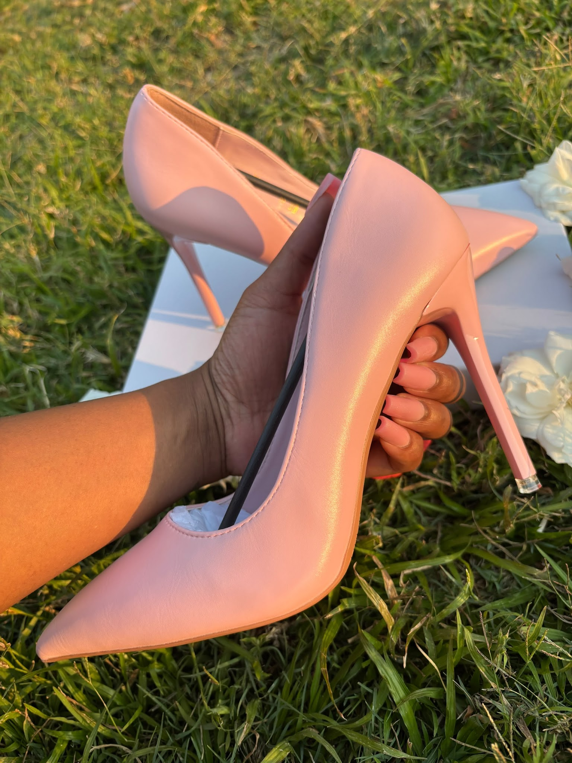
PINK MATTE | 35 | 1 | 9511-17/P
PINK MATTE | 36 | 1 | 9511-17/P
PINK MATTE | 37 | 0 | 9511-17/P
PINK MATTE | 38 | 1 | 9511-17/P
PINK MATTE | 39 | 2 | 9511-17/P
PINK MATTE | 40 | 1 | 9511-17/P
PINK MATTE | 41 | 2 | 9511-17/P
PINK MATTE | 42 | 2 | 9511-17/P
PINK MATTE | 43 | 2 | 9511-17/P

YELLOW MATTE | 35 | 1 | 9511-17/Y
YELLOW MATTE | 36 | 1 | 9511-17/Y
YELLOW MATTE | 37 | 0 | 9511-17/Y
YELLOW MATTE | 38 | 1 | 9511-17/Y
YELLOW MATTE | 39 | 2 | 9511-17/Y
YELLOW MATTE | 40 | 2 | 9511-17/Y
YELLOW MATTE | 41 | 2 | 9511-17/Y
YELLOW MATTE | 42 | 3 | 9511-17/Y
YELLOW MATTE | 43 | 2 | 9511-17/Y

BLUE MATTE | 35 | 1 | 9511-17/B
BLUE MATTE | 36 | 1 | 9511-17/B
BLUE MATTE | 37 | 0 | 9511-17/B
BLUE MATTE | 38 | 2 | 9511-17/B
BLUE MATTE | 39 | 0 | 9511-17/B
BLUE MATTE | 40 | 2 | 9511-17/B
BLUE MATTE | 41 | 1 | 9511-17/B
BLUE MATTE | 42 | 2 | 9511-17/B
BLUE MATTE | 43 | 2 | 9511-17/B

GREY MATTE | 35 | 1 | 9511-17/G
GREY MATTE | 36 | 1 | 9511-17/G
GREY MATTE | 37 | 0 | 9511-17/G
GREY MATTE | 38 | 0 | 9511-17/G
GREY MATTE | 39 | 0 | 9511-17/G
GREY MATTE | 40 | 0 | 9511-17/G
GREY MATTE | 41 | 0 | 9511-17/G
GREY MATTE | 42 | 1 | 9511-17/G
GREY MATTE | 43 | 1 | 9511-17/G

WHITE MATTE | 35 | 1 | 9511-17/W
WHITE MATTE | 36 | 1 | 9511-17/W
WHITE MATTE | 37 | 1 | 9511-17/W
WHITE MATTE | 38 | 0 | 9511-17/W
WHITE MATTE | 39 | 0 | 9511-17/W
WHITE MATTE | 40 | 0 | 9511-17/W
WHITE MATTE | 41 | 0 | 9511-17/W
WHITE MATTE | 42 | 1 | 9511-17/W
WHITE MATTE | 43 | 1 | 9511-17/W

ARMY GREEN | 36 | 1 | 886-272
ARMY GREEN | 37 | 1 | 886-272
ARMY GREEN | 38 | 2 | 886-272
ARMY GREEN | 39 | 2 | 886-272
ARMY GREEN | 40 | 3 | 886-272
ARMY GREEN | 41 | 2 | 886-272
ARMY GREEN | 42 | 4 | 886-272

CHOCOLATE BROWN | 35 | 1 | 9268-77
CHOCOLATE BROWN | 36 | 0 | 9268-77
CHOCOLATE BROWN | 37 | 1 | 9268-77
CHOCOLATE BROWN | 38 | 0 | 9268-77
CHOCOLATE BROWN | 39 | 0 | 9268-77
CHOCOLATE BROWN | 40 | 4 | 9268-77
CHOCOLATE BROWN | 41 | 4 | 9268-77
CHOCOLATE BROWN | 42 | 0 | 9268-77
CHOCOLATE BROWN | 43 | 0 | 9268-77

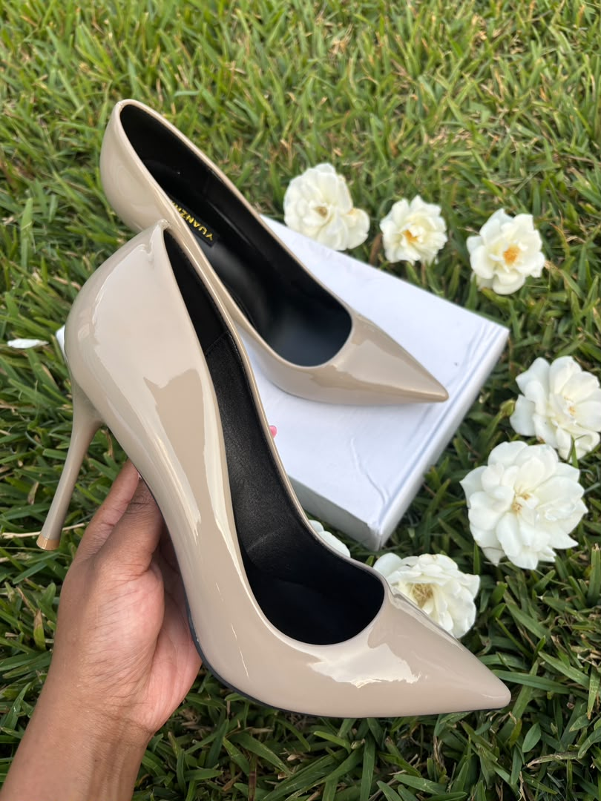
GREY GLOSSY | 35 | 0 | H100
GREY GLOSSY | 36 | 0 | H100
GREY GLOSSY | 37 | 0 | H100
GREY GLOSSY | 38 | 0 | H100
GREY GLOSSY | 39 | 0 | H100
GREY GLOSSY | 40 | 0 | H100
GREY GLOSSY | 41 | 1 | H100
GREY GLOSSY | 42 | 2 | H100
GREY GLOSSY | 43 | 2 | H100

NEON GREEN | 37 | 1 | 886-1/G
NEON GREEN | 38 | 1 | 886-1/G
NEON GREEN | 39 | 0 | 886-1/G
NEON GREEN | 40 | 0 | 886-1/G
NEON GREEN | 41 | 1 | 886-1/G
NEON GREEN | 42 | 1 | 886-1/G

NEON YELLOW | 37 | 0 | 886-1/Y
NEON YELLOW | 38 | 1 | 886-1/Y
NEON YELLOW | 39 | 1 | 886-1/Y
NEON YELLOW | 40 | 1 | 886-1/Y
NEON YELLOW | 41 | 1 | 886-1/Y
NEON YELLOW | 42 | 1 | 886-1/Y

NEON ORANGE | 37 | 0 | 886-1/O
NEON ORANGE | 38 | 1 | 886-1/O
NEON ORANGE | 39 | 0 | 886-1/O
NEON ORANGE | 40 | 1 | 886-1/O
NEON ORANGE | 41 | 1 | 886-1/O
NEON ORANGE | 42 | 1 | 886-1/O

TWO-TONE BIGTREE | 40 | 0 | 2635712
TWO-TONE BIGTREE | 41 | 1 | 2635712
TWO-TONE BIGTREE | 42 | 1 | 2635712
TWO-TONE BIGTREE | 43 | 2 | 2635712

KHAKI RATAN | 35 | 2 | SB575-15
KHAKI RATAN | 36 | 1 | SB575-15
KHAKI RATAN | 37 | 1 | SB575-15
KHAKI RATAN | 38 | 0 | SB575-15
KHAKI RATAN | 39 | 0 | SB575-15
KHAKI RATAN | 40 | 0 | SB575-15
KHAKI RATAN | 41 | 0 | SB575-15
KHAKI RATAN | 42 | 1 | SB575-15
KHAKI RATAN | 43 | 0 | SB575-15

MATTE BROWN NC | 38 | 1 | ZJ000074
MATTE BROWN NC | 39 | 3 | ZJ000074
MATTE BROWN NC | 40 | 3 | ZJ000074
MATTE BROWN NC | 41 | 4 | ZJ000074

MATTE NUDE 3" | 38 | 2 | ZJ000893
MATTE NUDE 3" | 39 | 1 | ZJ000893
MATTE NUDE 3" | 40 | 3 | ZJ000893
MATTE NUDE 3" | 41 | 2 | ZJ000893

MATTE NUDE 3" | 38 | 1 | ZJ000628
MATTE NUDE 3" | 39 | 1 | ZJ000628
MATTE NUDE 3" | 40 | 1 | ZJ000628
MATTE NUDE 3" | 41 | 1 | ZJ000628

GLOSSY NUDE BROWN 4" | 38 | 2 | 584390
GLOSSY NUDE BROWN 4" | 39 | 1 | 584390
GLOSSY NUDE BROWN 4" | 40 | 2 | 584390
GLOSSY NUDE BROWN 4" | 41 | 2 | 584390
GLOSSY NUDE BROWN 4" | 42 | 1 | 584390
GLOSSY NUDE BROWN 4" | 43 | 2 | 584390

GLOSSY MAUVE 4½" | 36 | 1 | ZJ000603
GLOSSY MAUVE 4½" | 37 | 1 | ZJ000603
GLOSSY MAUVE 4½" | 38 | 0 | ZJ000603
GLOSSY MAUVE 4½" | 39 | 1 | ZJ000603

BLACK MATTE NC | 38 | 1 | ZJ000258
BLACK MATTE NC | 39 | 1 | ZJ000258
BLACK MATTE NC | 40 | 2 | ZJ000258
BLACK MATTE NC | 41 | 2 | ZJ000258

NUDE RB | 38 | 2 | 25C2-N
NUDE RB | 39 | 2 | 25C2-N
NUDE RB | 40 | 2 | 25C2-N
NUDE RB | 41 | 1 | 25C2-N
NUDE RB | 42 | 2 | 25C2-N
NUDE RB | 43 | 2 | 25C2-N
 | TOTAL | 247

